TOTAL
Alkalmazott szűrők: Highlighted nem egyezik ezzel: (Üres) Arrival_date ekkori vagy későbbi a következőnél: 2026.05.11. 0:00:00 és dátuma korábbi, mint 2026.05.18. 0:00:00 Mandatory egyezik ezzel: Yes LSP egyezik ezzel: Maersk Canceled_shipment egyezik ezzel: N
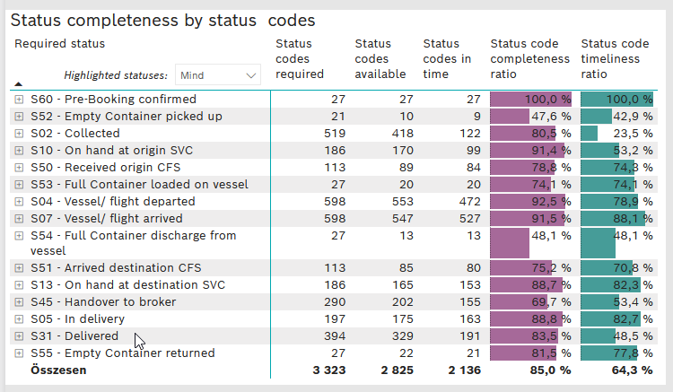
Required status | STATUS_TYPE | Service_Provider | Status codes required | Status codes available | Status codes in time | Status code completeness ratio | Status code timeliness ratio
S60 - Pre-Booking confirmed | Actual | 0000056066 - Maersk | 27 | 27 | 27 | 100.0 % | 100.0 %
S52 - Empty Container picked up | Actual | 0000056066 - Maersk | 21 | 10 | 9 | 47.6 % | 42.9 %
S02 - Collected | Actual | 0000056066 - Maersk | 270 | 215 | 121 | 79.6 % | 44.8 %
S02 - Collected | Estimated | 0000056066 - Maersk | 249 | 203 | 1 | 81.5 % | 0.4 %
S10 - On hand at origin SVC | Actual | 0000056066 - Maersk | 186 | 170 | 99 | 91.4 % | 53.2 %
S50 - Received origin CFS | Actual | 0000056066 - Maersk | 113 | 89 | 84 | 78.8 % | 74.3 %
S53 - Full Container loaded on vessel | Actual | 0000056066 - Maersk | 27 | 20 | 20 | 74.1 % | 74.1 %
S04 - Vessel/ flight departed | Actual | 0000056066 - Maersk | 299 | 276 | 257 | 92.3 % | 86.0 %
S04 - Vessel/ flight departed | Estimated | 0000056066 - Maersk | 299 | 277 | 215 | 92.6 % | 71.9 %
S07 - Vessel/ flight arrived | Actual | 0000056066 - Maersk | 299 | 270 | 263 | 90.3 % | 88.0 %
S07 - Vessel/ flight arrived | Estimated | 0000056066 - Maersk | 299 | 277 | 264 | 92.6 % | 88.3 %
S54 - Full Container discharge from vessel | Actual | 0000056066 - Maersk | 27 | 13 | 13 | 48.1 % | 48.1 %
S51 - Arrived destination CFS | Actual | 0000056066 - Maersk | 113 | 85 | 80 | 75.2 % | 70.8 %
S13 - On hand at destination SVC | Actual | 0000056066 - Maersk | 186 | 165 | 153 | 88.7 % | 82.3 %
S45 - Handover to broker | Actual | 0000056066 - Maersk | 145 | 115 | 108 | 79.3 % | 74.5 %
S45 - Handover to broker | Estimated | 0000056066 - Maersk | 145 | 87 | 47 | 60.0 % | 32.4 %
S05 - In delivery | Actual | 0000056066 - Maersk | 197 | 175 | 163 | 88.8 % | 82.7 %
S31 - Delivered | Actual | 0000056066 - Maersk | 197 | 157 | 73 | 79.7 % | 37.1 %
S31 - Delivered | Estimated | 0000056066 - Maersk | 197 | 172 | 118 | 87.3 % | 59.9 %
S55 - Empty Container returned | Actual | 0000056066 - Maersk | 27 | 22 | 21 | 81.5 % | 77.8 %

BCO
Alkalmazott szűrők: Highlighted nem egyezik ezzel: (Üres) Arrival_date ekkori vagy későbbi a következőnél: 2026.05.11. 0:00:00 és dátuma korábbi, mint 2026.05.18. 0:00:00 Mandatory egyezik ezzel: Yes LSP egyezik ezzel: Maersk Service_Load egyezik ezzel: BCO Canceled_shipment egyezik ezzel: N
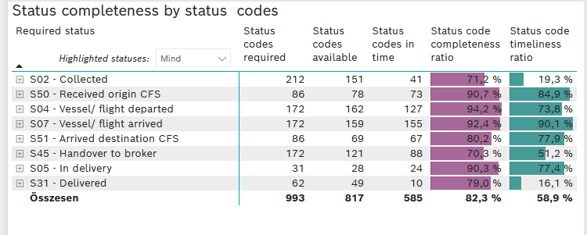
Required status | STATUS_TYPE | Service_Provider | Status codes required | Status codes available | Status codes in time | Status code completeness ratio | Status code timeliness ratio
S02 - Collected | Actual | 0000056066 - Maersk | 106 | 72 | 40 | 67.9 % | 37.7 %
S02 - Collected | Estimated | 0000056066 - Maersk | 106 | 79 | 1 | 74.5 % | 0.9 %
S50 - Received origin CFS | Actual | 0000056066 - Maersk | 86 | 78 | 73 | 90.7 % | 84.9 %
S04 - Vessel/ flight departed | Actual | 0000056066 - Maersk | 86 | 81 | 75 | 94.2 % | 87.2 %
S04 - Vessel/ flight departed | Estimated | 0000056066 - Maersk | 86 | 81 | 52 | 94.2 % | 60.5 %
S07 - Vessel/ flight arrived | Actual | 0000056066 - Maersk | 86 | 80 | 79 | 93.0 % | 91.9 %
S07 - Vessel/ flight arrived | Estimated | 0000056066 - Maersk | 86 | 79 | 76 | 91.9 % | 88.4 %
S51 - Arrived destination CFS | Actual | 0000056066 - Maersk | 86 | 69 | 67 | 80.2 % | 77.9 %
S45 - Handover to broker | Actual | 0000056066 - Maersk | 86 | 69 | 68 | 80.2 % | 79.1 %
S45 - Handover to broker | Estimated | 0000056066 - Maersk | 86 | 52 | 20 | 60.5 % | 23.3 %
S05 - In delivery | Actual | 0000056066 - Maersk | 31 | 28 | 24 | 90.3 % | 77.4 %
S31 - Delivered | Actual | 0000056066 - Maersk | 31 | 26 | 10 | 83.9 % | 32.3 %
S31 - Delivered | Estimated | 0000056066 - Maersk | 31 | 23 | 0 | 74.2 % | 0.0 %

FCL
Alkalmazott szűrők: Highlighted nem egyezik ezzel: (Üres) Arrival_date ekkori vagy későbbi a következőnél: 2026.05.11. 0:00:00 és dátuma korábbi, mint 2026.05.18. 0:00:00 Mandatory egyezik ezzel: Yes LSP egyezik ezzel: Maersk Service_Load egyezik ezzel: FCL Canceled_shipment egyezik ezzel: N
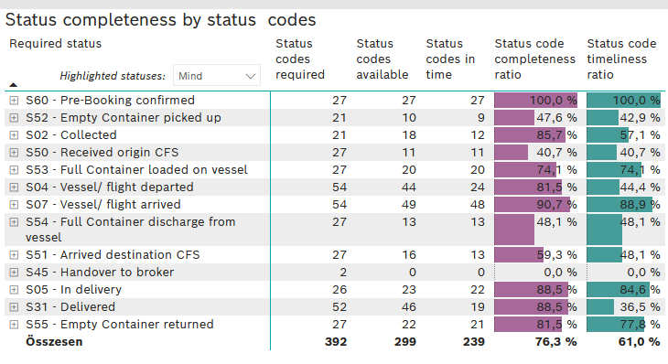
Required status | STATUS_TYPE | Service_Provider | Status codes required | Status codes available | Status codes in time | Status code completeness ratio | Status code timeliness ratio
S60 - Pre-Booking confirmed | Actual | 0000056066 - Maersk | 27 | 27 | 27 | 100.0 % | 100.0 %
S52 - Empty Container picked up | Actual | 0000056066 - Maersk | 21 | 10 | 9 | 47.6 % | 42.9 %
S02 - Collected | Actual | 0000056066 - Maersk | 21 | 18 | 12 | 85.7 % | 57.1 %
S50 - Received origin CFS | Actual | 0000056066 - Maersk | 27 | 11 | 11 | 40.7 % | 40.7 %
S53 - Full Container loaded on vessel | Actual | 0000056066 - Maersk | 27 | 20 | 20 | 74.1 % | 74.1 %
S04 - Vessel/ flight departed | Actual | 0000056066 - Maersk | 27 | 21 | 20 | 77.8 % | 74.1 %
S04 - Vessel/ flight departed | Estimated | 0000056066 - Maersk | 27 | 23 | 4 | 85.2 % | 14.8 %
S07 - Vessel/ flight arrived | Actual | 0000056066 - Maersk | 27 | 24 | 24 | 88.9 % | 88.9 %
S07 - Vessel/ flight arrived | Estimated | 0000056066 - Maersk | 27 | 25 | 24 | 92.6 % | 88.9 %
S54 - Full Container discharge from vessel | Actual | 0000056066 - Maersk | 27 | 13 | 13 | 48.1 % | 48.1 %
S51 - Arrived destination CFS | Actual | 0000056066 - Maersk | 27 | 16 | 13 | 59.3 % | 48.1 %
S45 - Handover to broker | Actual | 0000056066 - Maersk | 1 | 0 | 0 | 0.0 % | 0.0 %
S45 - Handover to broker | Estimated | 0000056066 - Maersk | 1 | 0 | 0 | 0.0 % | 0.0 %
S05 - In delivery | Actual | 0000056066 - Maersk | 26 | 23 | 22 | 88.5 % | 84.6 %
S31 - Delivered | Actual | 0000056066 - Maersk | 26 | 23 | 16 | 88.5 % | 61.5 %
S31 - Delivered | Estimated | 0000056066 - Maersk | 26 | 23 | 3 | 88.5 % | 11.5 %
S55 - Empty Container returned | Actual | 0000056066 - Maersk | 27 | 22 | 21 | 81.5 % | 77.8 %

LCL
Alkalmazott szűrők: Highlighted nem egyezik ezzel: (Üres) Arrival_date ekkori vagy későbbi a következőnél: 2026.05.11. 0:00:00 és dátuma korábbi, mint 2026.05.18. 0:00:00 Mandatory egyezik ezzel: Yes LSP egyezik ezzel: Maersk Service_Load egyezik ezzel: LCL Canceled_shipment egyezik ezzel: N
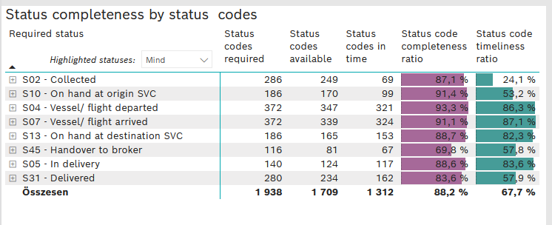
Required status | STATUS_TYPE | Service_Provider | Status codes required | Status codes available | Status codes in time | Status code completeness ratio | Status code timeliness ratio
S02 - Collected | Actual | 0000056066 - Maersk | 143 | 125 | 69 | 87.4 % | 48.3 %
S02 - Collected | Estimated | 0000056066 - Maersk | 143 | 124 | 0 | 86.7 % | 0.0 %
S10 - On hand at origin SVC | Actual | 0000056066 - Maersk | 186 | 170 | 99 | 91.4 % | 53.2 %
S04 - Vessel/ flight departed | Actual | 0000056066 - Maersk | 186 | 174 | 162 | 93.5 % | 87.1 %
S04 - Vessel/ flight departed | Estimated | 0000056066 - Maersk | 186 | 173 | 159 | 93.0 % | 85.5 %
S07 - Vessel/ flight arrived | Actual | 0000056066 - Maersk | 186 | 166 | 160 | 89.2 % | 86.0 %
S07 - Vessel/ flight arrived | Estimated | 0000056066 - Maersk | 186 | 173 | 164 | 93.0 % | 88.2 %
S13 - On hand at destination SVC | Actual | 0000056066 - Maersk | 186 | 165 | 153 | 88.7 % | 82.3 %
S45 - Handover to broker | Actual | 0000056066 - Maersk | 58 | 46 | 40 | 79.3 % | 69.0 %
S45 - Handover to broker | Estimated | 0000056066 - Maersk | 58 | 35 | 27 | 60.3 % | 46.6 %
S05 - In delivery | Actual | 0000056066 - Maersk | 140 | 124 | 117 | 88.6 % | 83.6 %
S31 - Delivered | Actual | 0000056066 - Maersk | 140 | 108 | 47 | 77.1 % | 33.6 %
S31 - Delivered | Estimated | 0000056066 - Maersk | 140 | 126 | 115 | 90.0 % | 82.1 %

